PRNG Timing Data
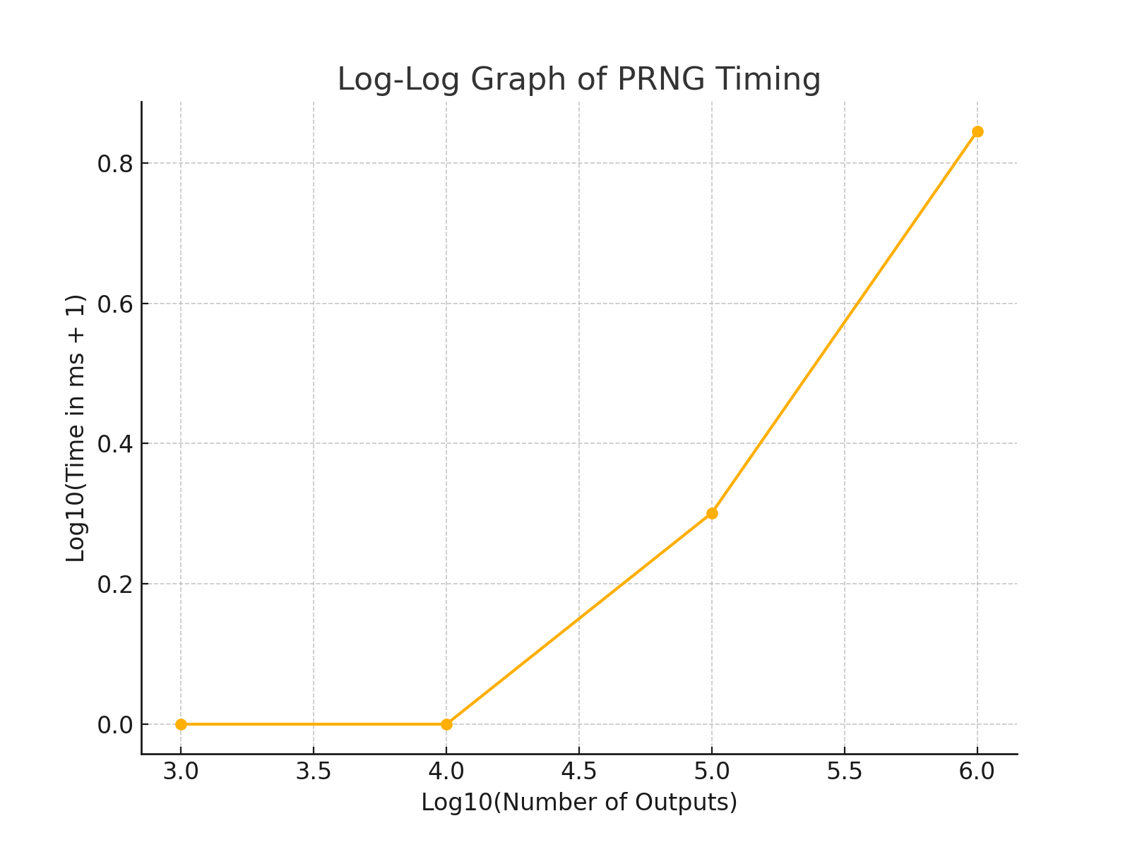
Number of Outputs | Time (ms)
1000 | 0
10000 | 0
100000 | 1
1000000 | 6

